Sheet1
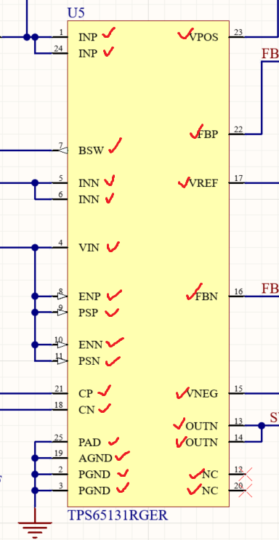
Component | Symbol pins + name | Footprint name | Pin numbers in footprint | Pad sizes in footprint
TPS65131 | Yes | Yes | Yes | Yes
MC79L12ACDR | Yes | Altium Vault
TLV76012DBZR | Yes
TLV74118PDBVR | Yes
ADR5045BRTZ-REEL7 | Yes
MCP9700T-E/TT | Yes
Teensy 4.1 | Yes | Yes | Yes | Yes
DG409DQ-E3 | Yes | Yes | Yes | Yes
RC4580 | Yes | Yes | Yes | Yes
DG408DQ-T1-E3 | Yes | Yes | Yes | Yes
MCP33151-10-E/MS | Yes | Yes | Yes | Yes
NUD3160DMT1G | Yes | Yes | Yes | Yes

Check before order
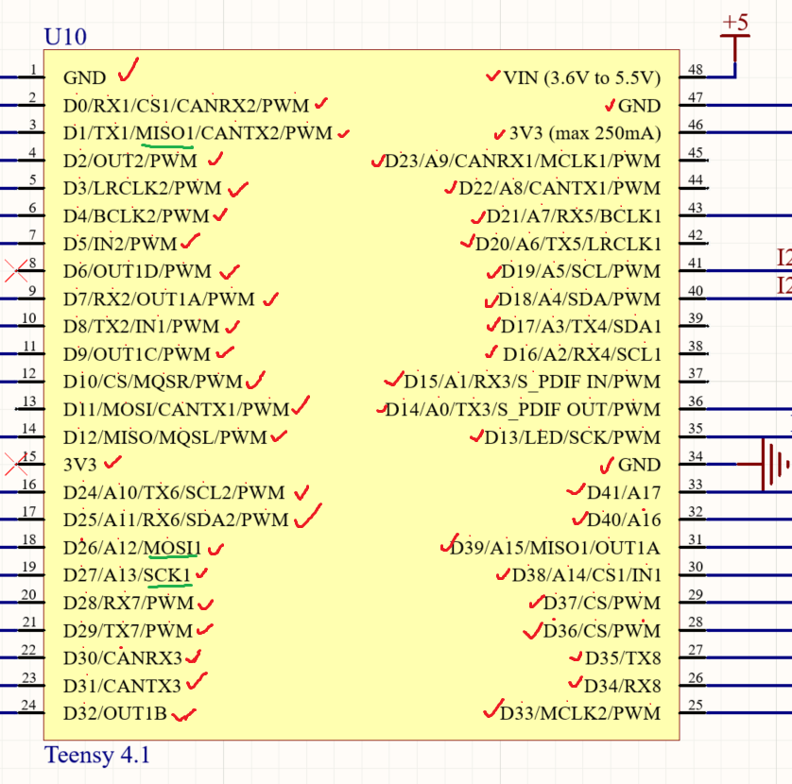
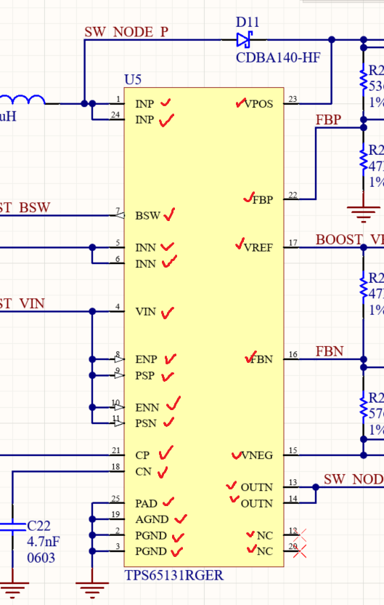
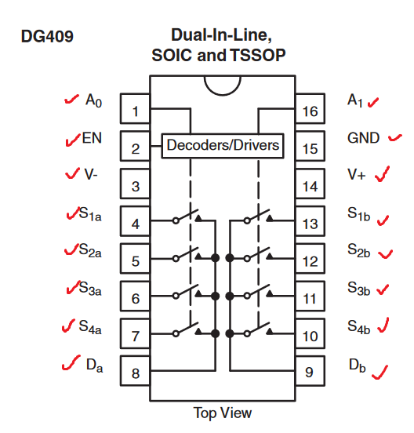
Component | Symbol pins + name | Footprint name | Pin numbers in footprint | Pad sizes in footprint
TPS65131 boost | Yes | Yes | Yes | Yes
MC79L12ACDR -12v | Yes | Altium Vault
TLV76012DBZR +12v | Yes
TLV74118PDBVR +1v8 | Yes
ADR5045BRTZ-REEL7 +5v_a | Yes
MCP9700T-E/TT temp sensor | Yes
Teensy 4.1 | Yes | Yes | Yes | Yes
DG409DQ-E3 | Yes | Yes | Yes | Yes
RC4580 | Yes | Yes | Yes | Yes
DG408DQ-T1-E3 | Yes | Yes | Yes | Yes
MCP33151-10-E/MS | Yes | Yes | Yes | Yes
NUD3160DMT1G | Yes | Yes | Yes | Yes
1985195 terminal blocks | Yes | Yes | Yes | Yes
MCP23008-E/ML io expansion | Yes | Altium Vault
BAT54s | Yes | Yes | Yes | Yes
INA821ID in-amp | Yes | Altium Vault
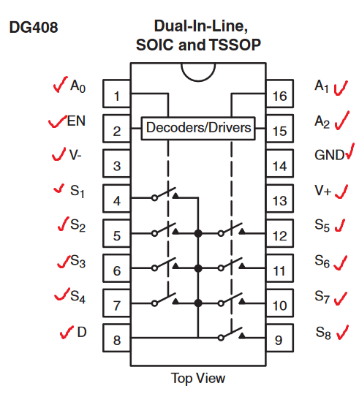
AO3407A | Yes | Yes | Yes | Yes

